UX Persona
II. Persona
UX Persona N° 1: Iarindranto, Software Developer Consulting |  |  | UX Persona N° 2: Kanto, Fullstack Developer
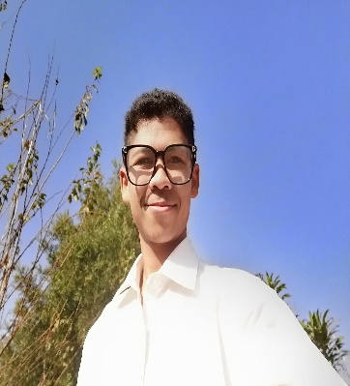
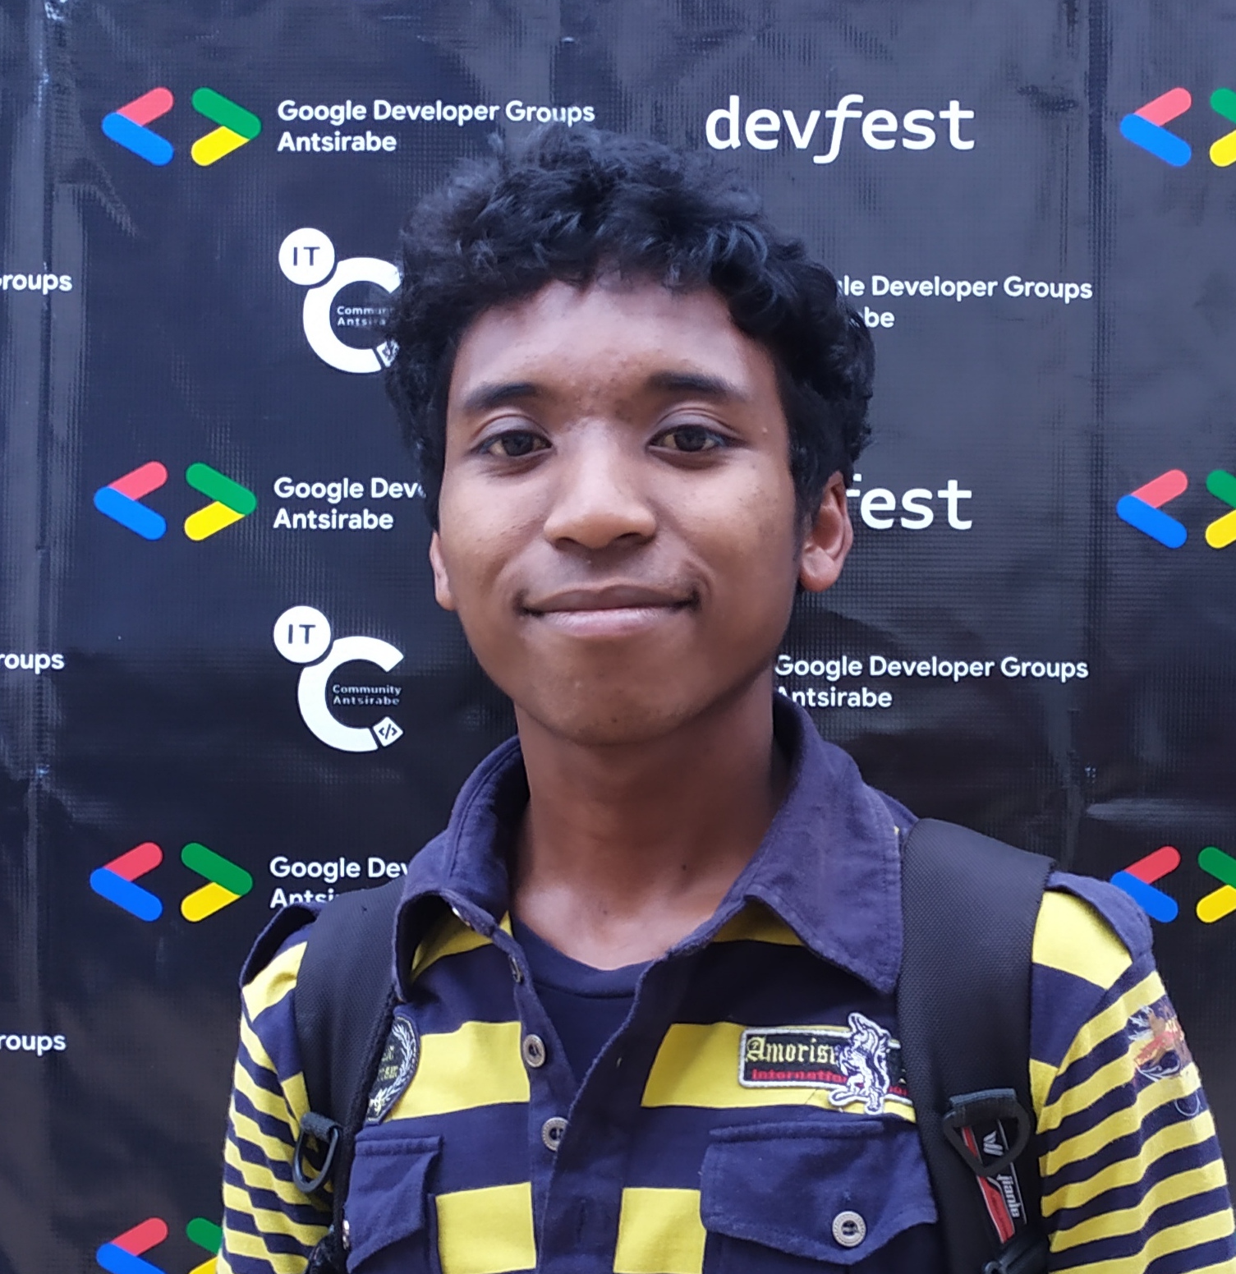 | 1. Basic Info |  |  | 1. Basic Info
 | Name | Andrianandraina Aina Iarindranto |  | Name | Ny Hakanto Rakotondrasoa
 | Nickname | Ranto |  | Nickname | Kanto
 | Age | 23 |  | Age | 27
 | Nationality | Malgache |  | Nationality | Malagasy
 | Lives in | Antsirabe - Madagascar |  | Lives in | Antananarivo - Madagascar
 | Job | Software Developer Consulting |  | Job | Fullstack Developer
 | Relationship status | Single |  | Relationship status | In a relationship
 | Income | Reasonable |  | Income | Good

 | 2. Detailed goals |  |  | 2. Detailed goals
 | He wants to build strong focus habits during coding sessions |  |  | He wants to organize his work across multiple projects
 | He wants to complete his personal development projects |  |  | He wants to optimize his productivity without burnout
 | He wants to improve his progamming skills consistently |  |  | He wants to track his daily and weekly performance
 | He wants to enter a deep work / flow state easily |  |  | He wants to structure his work sessions efficiently
 | He wants to avoid distractions when working |  |  | He wants to maintain a balance between work and rest

 | 3. Typical behaviors |  |  | 3. Typical behaviors
 | He start working but struggles to stay focused for long periods |  |  | He works on several projects at the same time
 | He often switches between tasks when he gets stuck |  |  | He frequently switches context between tasks
 | He uses music to help concentration |  |  | He uses task managers but finds them too generic
 | He works on personal projects after his main job |  |  | He checks his progress and completed work regularly
 | He opens multiple tabs ( docs, github, stack overflow) |  |  | He plans his work but sometimes feels overwhelmed
 | He prefers simple tools that don’t interrupt his workflow |  |  | He values data (stats, performance tracking)
 | He sometimes abondons sessions before finishing tasks |  |  | He prefers tools that combine multiple features in one place
 | He feels more productive when he tracks his progress |  |  | He wants to reduce mental fatigue caused by disorganization

